Anten bilgileri
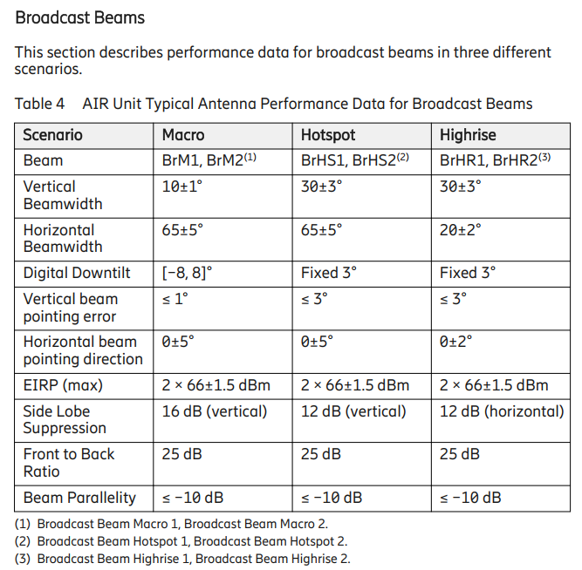
64T64R anten değerleri | 32T32R anten bilgileri

